Links
LINKS
 |  | NOT NECESSARY
 |  | HIGHLY IMPORTANT
 |  | NEEDS REVIEW | https://littlecaesars.read.inkling.com/a/b/0bf43ed9b111402dbf325c40a0006142/p/58e3dae17f4c484abeba3e6271b12c84 | PRODUCTIVITY
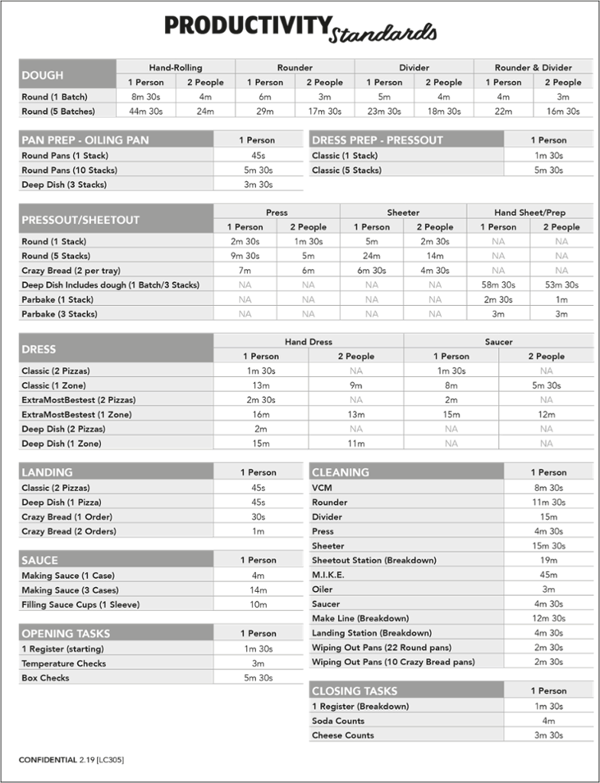
Little Caesars menu | https://littlecaesars.read.inkling.com/a/b/0bf43ed9b111402dbf325c40a0006142/p/e8cf9ebc8c4c49e28c9dcf862592a6a1 | TO BE ADDED

Product Prep | https://littlecaesars.read.inkling.com/a/b/0bf43ed9b111402dbf325c40a0006142/p/69870388473c49379887ee12d254ae0b | Product Preparation
 | https://littlecaesars.read.inkling.com/a/b/0bf43ed9b111402dbf325c40a0006142/p/5333354227b54ce7bcd2237b3060e67a | ProductPrep (Day Dot® Procedures)
 | https://littlecaesars.read.inkling.com/a/b/5e16ec6fe04040d2b903c62f123de44e/p/8d50291642224d718af0de7605ae2644 | Making Product prep
 | https://littlecaesars.read.inkling.com/a/b/0bf43ed9b111402dbf325c40a0006142/p/38a076892bce4f7db01cf23c855e5107 | Product Shelf Life List
 | https://littlecaesars.read.inkling.com/a/b/d3185dde89284a948df16b97a2fe492e/p/306d007890c64f7f87e1d8bac32d203f | Prep/Dough/Pressout/Job Helpers
Pressouts | https://littlecaesars.read.inkling.com/a/b/0bf43ed9b111402dbf325c40a0006142/p/4e4a01949d924a33a2f84cb88bf0e046 https://littlecaesars.read.inkling.com/a/b/68e808e157614b87b1dbe2676171377d/p/5babcc44b6104cf58fc3f12618958a2b | Crazy bread pressouts Procedures
 | https://littlecaesars.read.inkling.com/a/b/0bf43ed9b111402dbf325c40a0006142/p/dfc5c9734ea74c91b8f2b997bafe569b https://littlecaesars.read.inkling.com/a/b/14dd1655e6ab4540823535a2b8d412ce/p/5bdef53b2b7842479a905f9f9dd1f1ce?librarySearchHighlight=%5B%22Pressouts%22%2C%22Puff%22%2C%22Crazy%22%2C%22Puffs%22%5D | Crazy Puff Pressout Procedures
 | https://littlecaesars.read.inkling.com/a/b/0bf43ed9b111402dbf325c40a0006142/p/3a06c67ea1834fe2b687155368092231#8c8c724259af4484a64fbccf42abed59 | Press-N-Ready Procedures

Dough&Sauce | https://littlecaesars.read.inkling.com/a/b/0bf43ed9b111402dbf325c40a0006142/p/1f3a810d68f04befbc6bef9ff8e38859 | Round Dough Preparation
 | https://littlecaesars.read.inkling.com/a/b/a7c1ce99f0d04ce288f289981a92bfc1/p/6aced86d26794ef781e79b5491e9a31b#20bbb8663a04424cab788c07eac02005 | Deep dish

Screen command | https://littlecaesars.read.inkling.com/a/b/c241ac22d12745ffb9bfb2c916a1f763/p/9aac2ba55af645e99e87f790564a225c | Oven, Ready Rack, Command Screens Pizza Dress

Making | https://littlecaesars.read.inkling.com/a/b/0bf43ed9b111402dbf325c40a0006142/p/4db81cd5f0954e40abf86d15639868b0 | Make Line Setup
 | https://littlecaesars.read.inkling.com/a/b/c241ac22d12745ffb9bfb2c916a1f763/p/ff8a695a879a4b4fa8b86d1aeff3a52d#4b5e169d549347468a5d17c9f9a7a4cd | Specialty Pizzas
 | https://littlecaesars.read.inkling.com/a/b/b21123bcea874d2bad480885981b6394/p/ad27cb4a3c3e42c7b82de4979bb75df7?librarySearchHighlight=%5B%22Ultimate%22%5D | Specialty Pizzas videos
 | https://littlecaesars.read.inkling.com/a/b/e04dc1d9793b41ab89d24f315789ff87/p/6aced86d26794ef781e79b5491e9a31b?librarySearchHighlight=%5B%22SNS%22%5D | SNS

Landing | https://littlecaesars.read.inkling.com/a/b/d3185dde89284a948df16b97a2fe492e/p/707f3040c33a419984d02d4b8c7c6a57 | Landing Job Helpers
 | https://littlecaesars.read.inkling.com/a/b/0bf43ed9b111402dbf325c40a0006142/p/7537c6ed1abc47d9acd45ad4ef9e8bd9 | Round Pizza – Landing, Cut & Package Procedures
 | https://littlecaesars.read.inkling.com/a/b/0bf43ed9b111402dbf325c40a0006142/p/b5ff1b129b0745c58dda330a181220fd | Custom Landing Procedures
 | https://littlecaesars.read.inkling.com/a/b/38d64c28a71949d18f6373da06fec7e7/p/89ca3cd8a572489fa33b7850333e98f4 | Caesar Vision at Landing
 | https://littlecaesars.read.inkling.com/a/b/38d64c28a71949d18f6373da06fec7e7/p/aa28b75df2af4646acbe5fb182c8ac9c | Landing Station Training
Games | https://littlecaesars.read.inkling.com/a/b/a8fa8ad1c9b54cab9d494d0cff91d94d/p/6aced86d26794ef781e79b5491e9a31b#027f5710fc3140e4a9bcbb70fdb88664

